Access Description
CIT Access Level

Basic Rule: | All users in CIT is tie to ONE and only ONE company, which means, shipment creation, bulk creation of each consignment is for that particular company they tag in.
Role | Descriptions | Access
Admin | App Root level access, specifically for FMX IT administrator only. Able to create new company, new users under all company setup in CIT, Admin also can view dashboard for all company. | All Module. However, each user is tag to one Company only, basic rule.
Super User | Appointed Customer's Admin users, who has visibility on their own company and other child company tie to their Company account. A. Super User can select and view their own company, and other child company who tag to their company account in Dashboard b. Super user creates shipment under their own account only c. Super user can see all shipments created under their own company only under shipment listing. d. Super user can invite new users to their own company as well as other child company, which managable under the "User" in Company. | 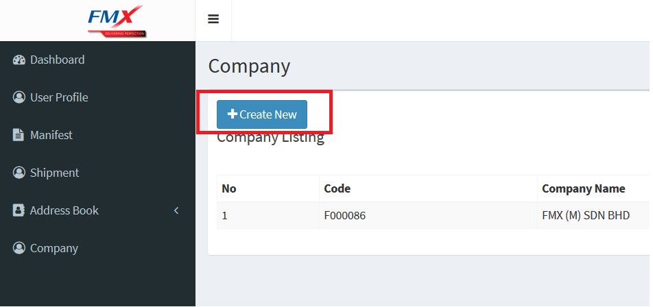 All module except creation of new Company, which should be done under Admin Role.
User | Basic user account a. Basic user account can select and view their own company only in Dashboard b. Basic User creates shipment under their own account only c. Basic User can see all shipments created under their own company only under shipment listing. d. Basic User do not have access to Company menu. | 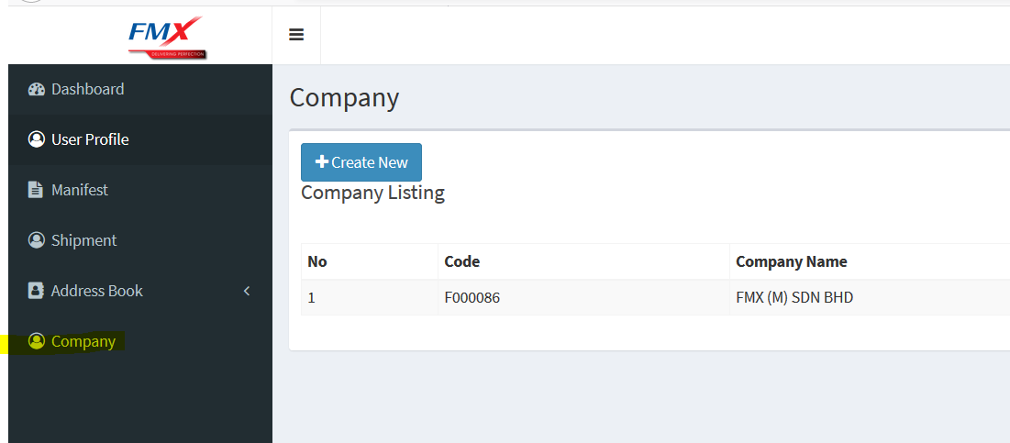 All module except Company.

Example
Explanation of Access Hierarchy
FMX (CIT Owner)
Jason How - Admin
Jason How Is Admin in FMX, owner of CIT. New company Maxis berhad came in to FMX and request for CIT access, and for it's child company.
Jason How created Maxis Berhad using "Company" in CIT (Parent), and created subsequent company named SRG Asia, Day Tree, Save Desk as Child.
Jason How Created Mun Hoe as a super user, Mun Hoe received an email notification to create account.

Maxis Berhad (PARENT COMPANY)
Mun Hoe - Super User
A1 - User
Mun Hoe login sucessfully and as a super user, he see SRG, Day Tree, and Save Desk in the company Listing
Mun Hoe invites new user by going into each company, add Wing Fei as Super User in SRG, Africk as Super User in Day Tree, and John as Super User in Save Desk
Mun Hoe then invites A1 as a normal user in his own company which is Maxis Berhad. (He can also Add B1 but he leaves it to Wing Fei)

Other Super users then invited B1,C1,and D1 as User for their respective Company.
Other Super users can also Invite new Super Users for their own company, but not for the others)
SRG Asia (Child of Maxis Berhad)
Wing Fei - Super User
B1 - User
Another day, Save Desk want to split another business unit created under their own call Marketing Department, they will request Jason How to create another company.
John invites another user -E1 who tag to this new company named as Marketing Dept.
John can also appoint new Super User in Marketing Dept, but that is not necessary.

Dashboards View:

Day Tree (Child of Maxis Berhad)
Africk - Super User
C1 - User
Jason How can choose to see Maxis Berhad or all other company setup in CIT.
Mun Hoe can choose to see Maxis Berhad and all child company setup under, SRG, Day Tree, Save Desk, and Marketing Dept
Wing Fei and B1 can only see SRG Asia Dashboard
Africk and C1 can only see Day Tree Dashboard
John can see Save Desk and Marketing Dept dashboard, D1 only sees Save Desk Dashboard
E1 can only see Marketing Dept Dashboard

Shipment Listing View (This includes source from both Single and Multiple creation)
Save Desk (Child of Maxis Berhad)
John - Super user
D1 - User
ALL Users can only see the shipment listing created under their own company, both Super users and users

Manifest View
ALL Users can only see the Manifest created under their own company, both Super users and users
Close manifest can be done for all users tag into the company.

Marketing Dept (Child of Save Desk)
E1 - User
 | Address Book
 | Public Address book can only be seen in the entire Maxis and all their childs.
 | Priviate address book is only be seen for a particular users, no matter is Super users or normal users.
 | All Super users can update address book which created by other users (for Public)

